Sheet2
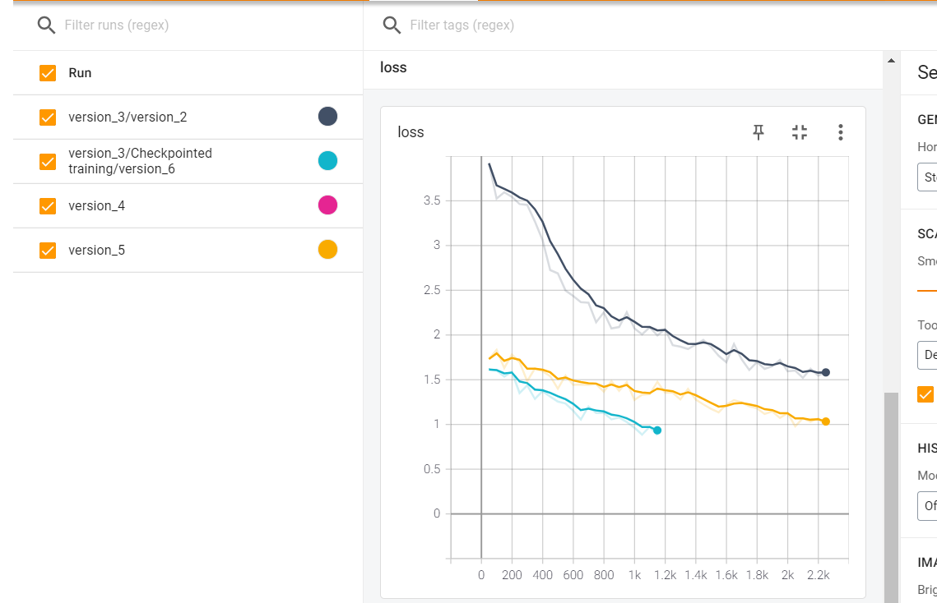
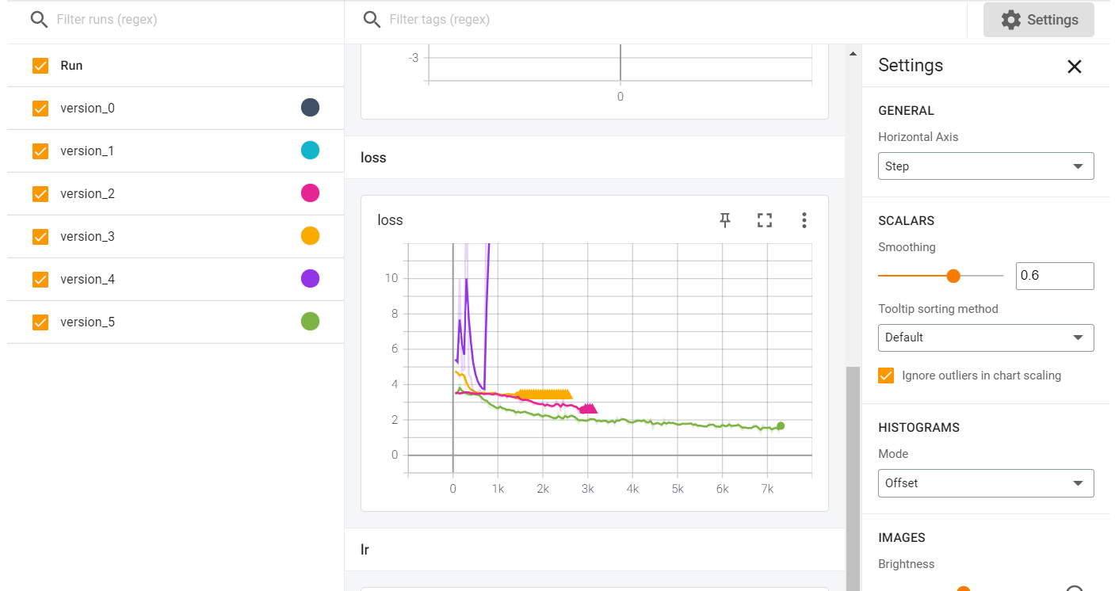
Learning rate | n_features | Epochs | Loss | Optimizer | Time taken | Remarks | Gradient Clipping | Dropout | Batch Size |  | CER
0.001 | 81 | 10 | 1.48(training), 1.92 validation | AdamW | 30.22 minutes | SpechAugment was not used(version_5) | 2 | 0.1 | 20
0.001 | 81 |  | nan | AdamW |  | SpechAugment was reintroduced | 2 | 0.1 | 20
 |  |  | 1.4(training), 1.794 (validation) |  |  | The CTC loss outputs was decreased by 1 and batch size was increased to 50 |  |  | 50 | version_2
Will Be checking with different batch Sizes(20, 50, 64, 32) and all other parameters will be as in the experiment above
 |  |  | 1.383 |  |  |  |  |  | 64 | version_3 | 0.3595
Batch size: 64 selected: |  |  |  |  |  |  |  |  | 32 | version_4
In a purely test set, we got CER ranging from 0.3- 0.5
In this case, total no. of characters were reduced to 71
The loss converges to Nan in most of the experiments after decreasing to around 1.7-1.9
After the experiment with batch size finishes, trying out with OneCycleLr Scheduler

max Learning rate | n_features | Epochs | Loss | Optimizer | Time taken | Remarks | Gradient Clipping | Dropout | Batch Size
0.001 | 81 | 10 | 2.39(validation), 2.53(training) | AdamW | 23 minutes | SpechAugment was not used(version_5) | 2 | 0.1 | 20
0.01 | 81 | 10 | 1.77(training), 1.91(validation)

In the experiment below, the version_3 model was checkpointed and further loaded to train with other dataset. If even the training loss decreases, we could say that with a little hyperparameter tuning we could have prepared a better model.

Learning rate | n_features | Epochs | Loss | Optimizer | Time taken | Remarks | Gradient Clipping | Dropout | Batch Size | Path
0.001 | 81 | 10 | 1.47(Validation), (0.933) training.. different models | AdamW | 10:33 mins | The Training loss decreased rapidly but it was not the case with validation loss. The model seems to be overfitting. | 2 | 0.1 | 64 | Checkpointed Training/Version_6
0.001 | 81 | 10 | 1.07, 1.52 | AdamW

Sheet3



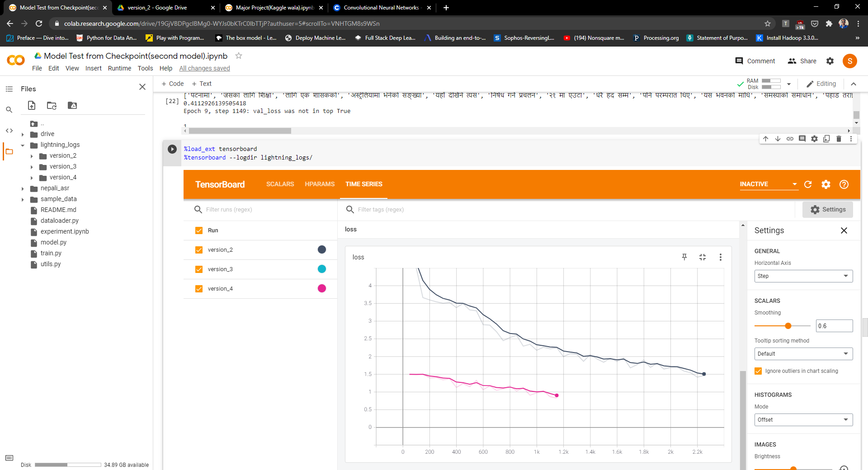
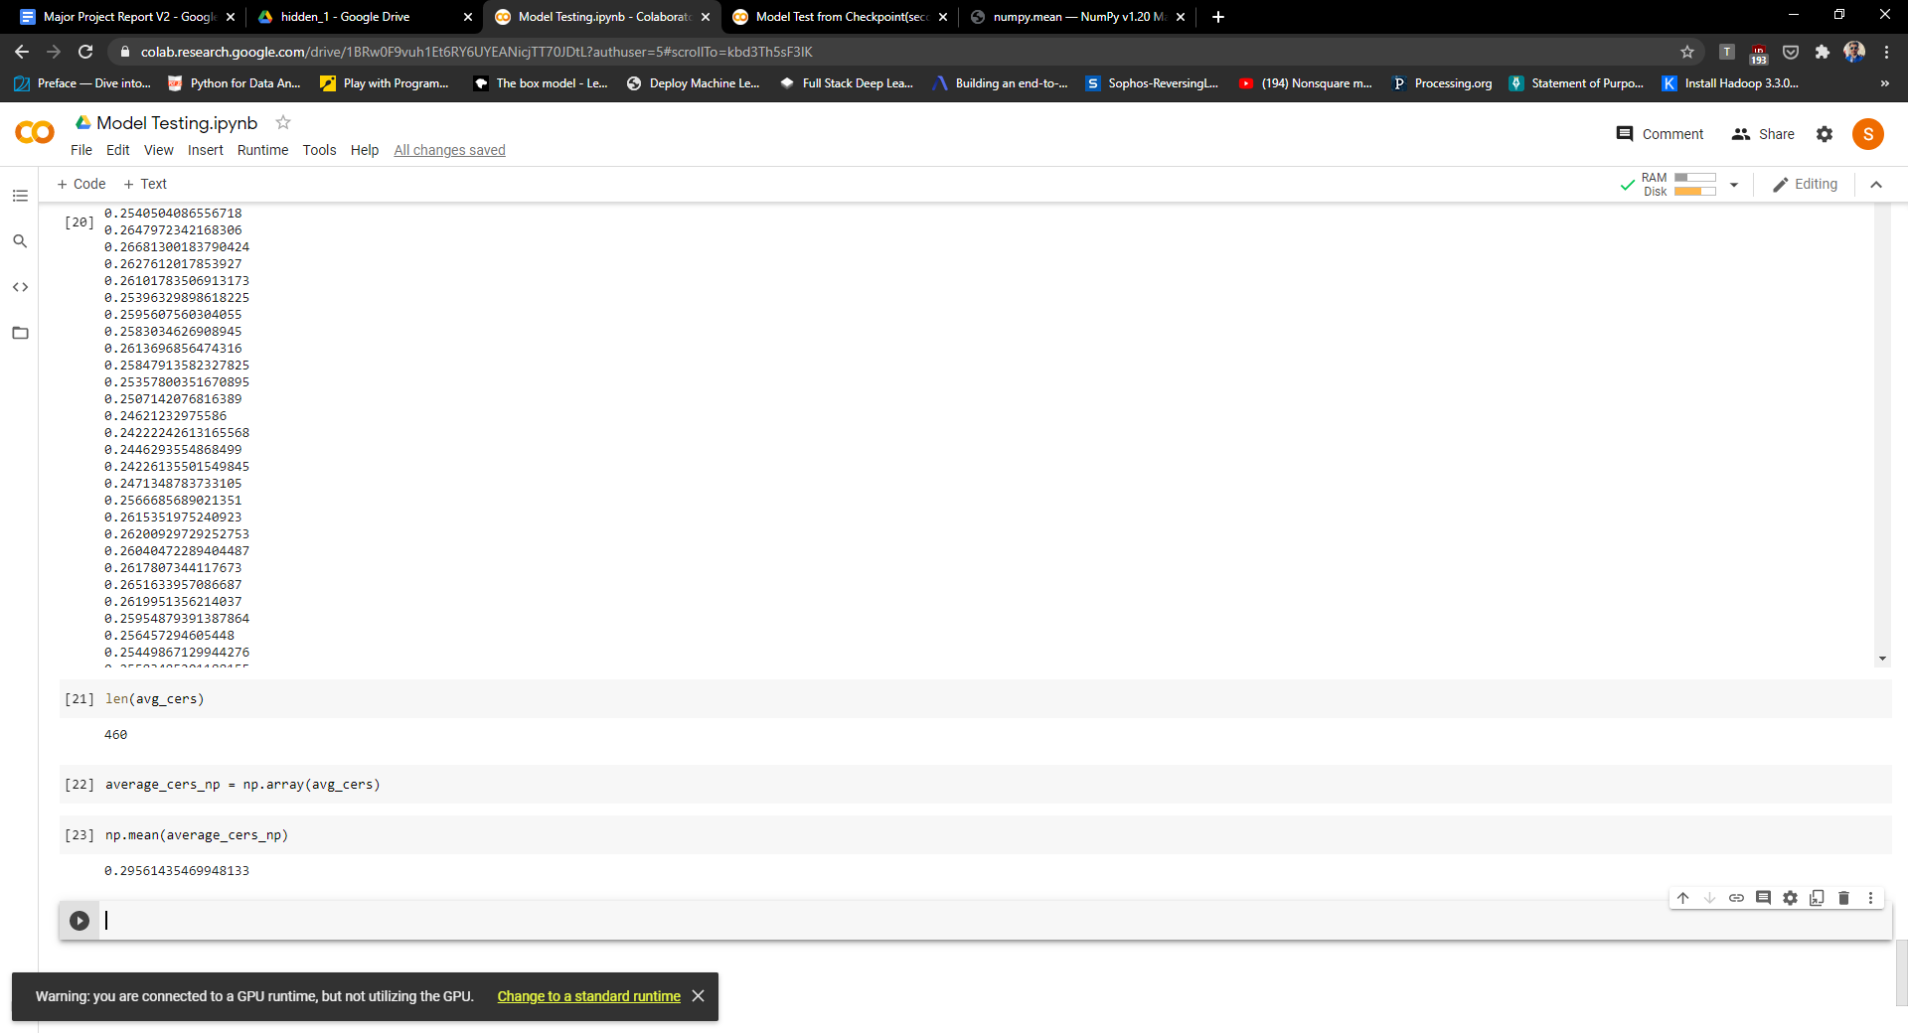
This Sheet is For Transfer Learning(NOT HAPPENING)

